High Level Overview
Your Name:
How to measure your Spirit | Your | Centre | Middle Layer | Outer Layer | How to measure your Spirit |  | Centre | 0 | Middle Layer | 0 | Outer Layer | 0
Need Type | Spirit | Spiritual | Emotional | Physical | Need Type |  | Spiritual |  | Emotional |  | Physical
Overall Total | 0.0 | 0.0 | 0.0 | 0.0 | Survival | a | - Eternal Salvation, | 0 | - Ability to cry & laugh, | 0 | - Entering the World, | 0
Survival Total | 0.0 | 0.0 | 0.0 | 0.0 | Survival | b | - Prayer, | 0 | - Ability to forgive yourself, | 0 | - Breathing, | 0
Basic Needs Total | 0.0 | 0.0 | 0.0 | 0.0 | Survival | c | - Quite Time with God, | 0 | - Someone to talk to, | 0 | - Sheltering, | 0
General Needs Total | 0.0 | 0.0 | 0.0 | 0.0 | Survival | d | - Indwelling of the Holy Spirit. | 0 | - Someone who loves you, | 0 | - Water, | 0
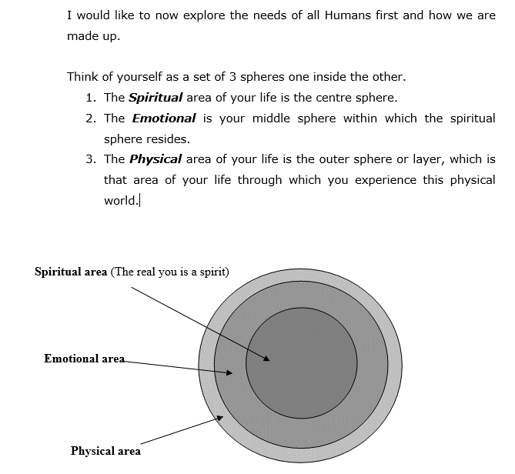
 |  |  |  |  | Survival | e | - Forgiving all others | 0 | - Someone to love. | 0 | - Extracting Nutrition. | 0
 |  |  |  |  | Survival Total | 0 |  | 0 |  | 0 |  | 0
 |  |  |  |  | Basic Needs | a | - Encouragement, | 0 | - A Clear Conscience, | 0 | - Clothing, | 0
 |  |  |  |  | Basic Needs | b | - Prayer Partners, | 0 | - Encouragement, | 0 | - Health, | 0
 |  |  |  |  | Basic Needs | c | - Group Bible Study, | 0 | - Someone who will listen without judging, | 0 | - Exercise, | 0
 |  |  |  |  | Basic Needs | d | - Problems for spiritual exercise, | 0 | - Someone who lovingly shows you your faults, | 0 | - Sound Mind, | 0
 |  |  |  |  | Basic Needs | e | - Understanding God’s Will for you. | 0 | - Someone who accepts you exactly as you are. | 0 | - Working Body. | 0
 |  |  |  |  | Basic Needs Total | 0 |  | 0 |  | 0 |  | 0
 |  |  |  |  | General Needs | a | - Friends, | 0 | - A listening ear to which you can unload, | 0 | - Friends, | 0
 |  |  |  |  | General Needs | b | - Desires, | 0 | - Peaceful environment to recharge, | 0 | - Desires met, | 0
 |  |  |  |  | General Needs | c | - Understanding the spiritual world, | 0 | - Someone you can help, | 0 | - Knowledge, | 0
 |  |  |  |  | General Needs | d | - Being in constant dialogue with Jesus, | 0 | - Ability to control your emotions, | 0 | - Intelligence, | 0
 |  |  |  |  | General Needs | e | - A Ministry. | 0 | - Ability to detect the spiritual atmosphere through your emotions. | 0 | - Areas to still grow in. | 0
 |  |  |  |  | General Needs Total | 0 |  | 0 |  | 0 |  | 0

